Sheet1
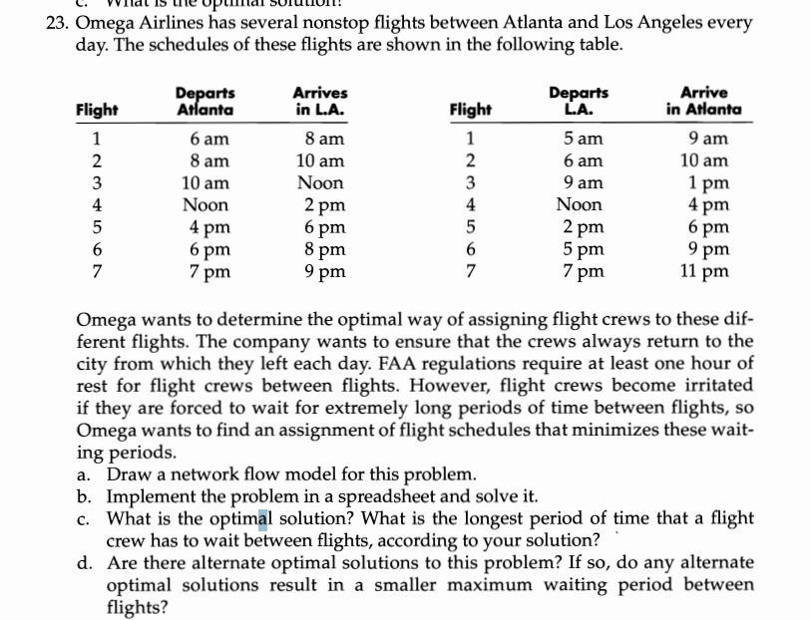

DV | from | time | to | time | transit |  | node | time | netflow | supply/demand
1 | 1 | 6am-8am | 10 | 9am-1pm | 1 | 1 | 1 | 6am-8am | -1 | -1
0 | 1 | 6am-8am | 11 | 12pm-4pm | 4 | 0 | 2 | 8am-10am | -1 | -1
0 | 1 | 6am-8am | 12 | 2pm-6pm | 6 | 0 | 3 | 10am-12pm | -1 | -1
0 | 1 | 6am-8am | 13 | 5pm-9pm | 9 | 0 | 4 | 12pm-2pm | -1 | -1
0 | 1 | 6am-8am | 14 | 7pm-11pm | 11 | 0 | 5 | 4pm-6pm | -1 | -1
0 | 2 | 8am-10am | 11 | 12pm-4pm | 2 | 0 | 6 | 6pm-8pm | -1 | -1
0 | 2 | 8am-10am | 12 | 2pm-6pm | 4 | 0 | 7 | 7pm-9pm | -1 | -1
1 | 2 | 8am-10am | 13 | 5pm-9pm | 7 | 7 | 8 | 5am-9am | 1 | 1
0 | 2 | 8am-10am | 14 | 7pm-11pm | 9 | 0 | 9 | 6am-10am | 1 | 1
1 | 3 | 10am-12pm | 8 | 5am-9am | 1 | 1 | 10 | 9am-1pm | 1 | 1
0 | 3 | 10am-12pm | 12 | 2pm-6pm | 2 | 0 | 11 | 12pm-4pm | 1 | 1
0 | 3 | 10am-12pm | 13 | 5pm-9pm | 5 | 0 | 12 | 2pm-6pm | 1 | 1
0 | 3 | 10am-12pm | 14 | 7pm-11pm | 7 | 0 | 13 | 5pm-9pm | 1 | 1
0 | 4 | 12pm-2pm | 8 | 5am-9am | 3 | 0 | 14 | 7pm-11pm | 1 | 1
1 | 4 | 12pm-2pm | 9 | 6am-10am | 2 | 2 | supply=demand |  |  | 0
0 | 4 | 12pm-2pm | 13 | 5pm-9pm | 3 | 0
0 | 4 | 12pm-2pm | 14 | 7pm-11pm | 5 | 0
0 | 5 | 4pm-6pm | 8 | 5am-9am | 7 | 0
0 | 5 | 4pm-6pm | 9 | 6am-10am | 6 | 0
0 | 5 | 4pm-6pm | 10 | 9am-1pm | 3 | 0
1 | 5 | 4pm-6pm | 14 | 7pm-11pm | 1 | 1
0 | 6 | 6pm-8pm | 8 | 5am-9am | 9 | 0
0 | 6 | 6pm-8pm | 9 | 6am-10am | 8 | 0
0 | 6 | 6pm-8pm | 10 | 9am-1pm | 5 | 0
1 | 6 | 6pm-8pm | 11 | 12pm-4pm | 2 | 2
0 | 7 | 7pm-9pm | 8 | 5am-9am | 10 | 0
0 | 7 | 7pm-9pm | 9 | 6am-10am | 9 | 0
0 | 7 | 7pm-9pm | 10 | 9am-1pm | 6 | 0
0 | 7 | 7pm-9pm | 11 | 12pm-4pm | 3 | 0
1 | 7 | 7pm-9pm | 12 | 2pm-6pm | 1 | 1

 |  |  |  | min wait | 15
 |  |  |  | longest | 7

